Index


Harnessing the talent pool
This chapter provides an overview of the engineering talent pool, examining national population projections for young people. It also outlines trends in the perceptions, understanding, and knowledge of engineering among young people, teachers and the general public, drawing from our Engineering Brand Monitor (EBM).
For more analysis on the state of engineering, please visit: https://www.engineeringuk.com/research/data

Fig. no. | Title

Chapter 3 | Harnessing the talent pool
3.1 | The pipeline for engineering skills leading to professional registration
3.2 | National population projections for age groups 11 to 14, 15 to 16 and 17 to 18 (2016 and 2041) – UK
3.3 | National population projections for ages 7 to 21 and 65 (2017–2037) – UK
3.4 | Proportion of population by broad ethnic group and age group (2011) – England
3.5 | Population by age group and broad ethnic group* (2011) – England
3.6 | Proportion of HE students from disadvantaged areas (2013 and 2017) – UK
3.7 | Proportion of young people who would consider a career in engineering by age group (2013–2019) – UK
3.8 | Proportion of young people who would consider a career in engineering by age group and gender (2019) – UK
3.9 | Proportion of young people who want to become an engineer by age group and gender (2019) – UK
3.10 | Proportion of parents, non–parents, educators and pupils aged 7 to 19 who believe a career in engineering is desirable (2013–2019) – UK
3.11 | Proportion of parents, non–parents, educators and pupils aged 11 to 19 who say they know what people working in engineering do (2013–2019) – UK
3.12 | Proportion of young people aged 11 to 19 who say they know what people working in engineering, technology and science do by age group and gender (2019) – UK
3.13 | Moments of choice model and factors in decision–making by young people
3.14 | Top 5 sources of careers advice that pupils aged 11 to 19 would consider (2019) – UK
3.15 | Top 5 sources of careers advice that pupils aged 11 to 19 would act on (2019) – UK
3.16 | Participation in science–related activities outside school by pupils aged 7 to 14 (2019) – UK
3.17 | Strength of evidence base for impact for different career– and enterprise–related interventions in schools and colleges
3.18 | The eight ‘Gatsby benchmarks’
3.19 | Proportion of young people aged 11 to 19 who recall taking part in a STEM careers activity (2019) – UK
3.20 | A level physics entrants by gender (2018) – UK
3.21 | Proportion of young people aged 11 to 19 who think being an apprentice is desirable (2019) – UK

3.1
Figure 3.1 The pipeline for engineering skills leading to professional registration

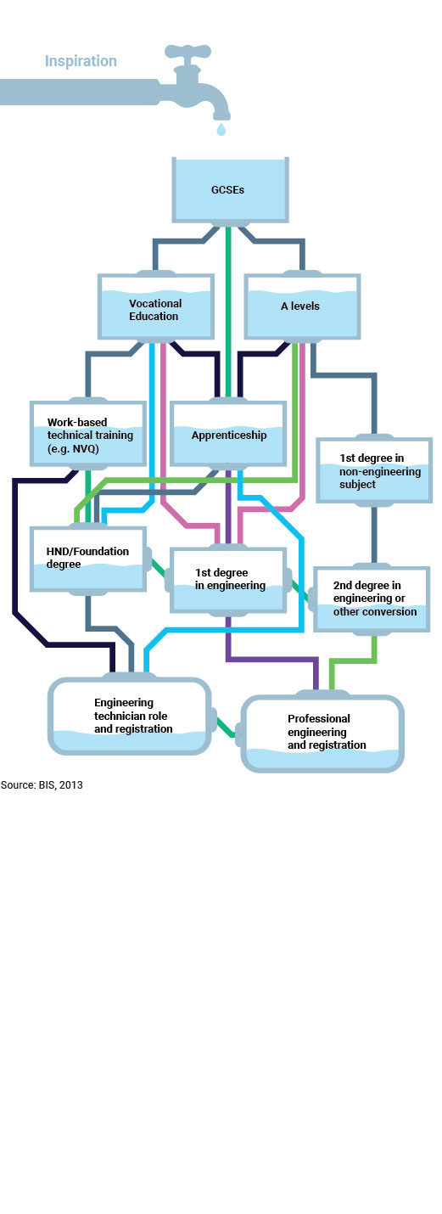

Back to index

3.7
Figure 3.7 Proportion of young people who would consider a career in engineering by age group (2013–2019) – UK

 | 2013 | 2014 | 2015 | 2016 | 2017 | 2019
 | % | % | % | % | % | %
Age 11–14 | 47.6% | 51.5% | 52.6% | 54.2% | 58.6% | 54.7%
Age 14–16 | 43.3% | 38.6% | 48.6% | 45.7% | 54.4%* | 50.3%
Age 16–19 | 28.7% | 33.1% | 35.2% | 36.6% | 39.0% | 44.6%
Note: Caution is advised in interpreting this data. As can be seen in the figure below, confidence intervals – that is, the range of values that are believed to contain, with 95% probability, the true value – relating to this question may overlap across years. When the confidence intervals for one year overlap with another year, it means that we cannot conclude the differences in the proportions who would consider a career in engineering are statistically significant. Years in which a statistically significant difference was observed compared with the previous year are denoted by an * in the table.

Proportion of young people who would consider a career in engineering by age group (2013-2019) - UK
 | 2013 | 2014 | 2015 | 2016 | 2017 | 2019
Age 11–14 | 47.6% | 51.5% | 52.6% | 54.2% | 58.6% | 54.7%
Age 14–16 | 43.3% | 38.6% | 48.6% | 45.7% | 54.4% | 50.3%
Age 16–19 | 28.7% | 33.1% | 35.2% | 36.6% | 39.0% | 44.6%

Source: EngineeringUK EBM, 2013–2019

Back to index

3.10
Figure 3.10 Proportion of parents, non–parents, educators and pupils aged 7 to 19 who believe a career in engineering is desirable (2013–2019) – UK

 | 2013 | 2014 | 2015 | 2016 | 2017 | 2019
 | % | % | % | % | % | %
Pupils
Age 11–14 | 40.3% | 40.8% | 43.0% | 40.6% | 42.2% | 38.6%
Age 14–16 | 35.5% | 34.4% | 42.9% | 42.3% | 45.1% | 42.8%
Age 16–19 | 49.0% | 50.1% | 43.3% | 44.7% | 43.5% | 41.9%
Parents | 75.1% | 73.5% | 72.0% | 71.0% | 71.4% | 68.1%
Non–parents | 51.9% | 56.5% | 62.4% | 67.4% | 66.2% | 67.0%
Teachers | 56.0% | 57.3% | 78.8%* | 77.4% | 86.1%* | 79.7%

Source: EngineeringUK, EBM 2013–2019
Note: Proportions relate to those who gave a score of 4+ (on the 5–point scale) for the question, 'How much do you agree that a career in engineering is desirable?'. The term 'non–parents' is used to refer to adults in the general public who do not have children.
Note: Caution is advised in interpreting this data. As can be seen in the figure below, confidence intervals – that is, the range of values that are believed to contain, with 95% probability, the true value – relating to this question may overlap across years.
When the confidence intervals for one year overlap with another year, it means that we cannot conclude the differences in the proportions reporting an engineering career to be desirable are statistically significant. Years in which a statistically significant difference was observed compared with the previous year are denoted by an * in the table.

Proportion of parents, non-parents and educators who believe a career in engineering is desirable, 2013-2019
 | 2013 | 2014 | 2015 | 2016 | 2017 | 2019
Age 11–14 | 40.3% | 40.8% | 43.0% | 40.6% | 42.2% | 38.6%
Age 14–16 | 35.5% | 34.4% | 42.9% | 42.3% | 45.1% | 42.8%
Age 16–19 | 49.0% | 50.1% | 43.3% | 44.7% | 43.5% | 41.9%
Parents | 75.1% | 73.5% | 72.0% | 71.0% | 71.4% | 68.1%
Non–parents | 51.9% | 56.5% | 62.4% | 67.4% | 66.2% | 67.0%
Teachers | 56.0% | 57.3% | 78.8% | 77.4% | 86.1% | 79.7%

Back to index

3.11
Figure 3.11 Proportion of parents, non–parents, educators and pupils aged 11 to 19 who say they know what people working in engineering do (2013–2019) – UK

 | 2013 | 2014 | 2015 | 2016 | 2017 | 2019
 | % | % | % | % | % | %
Pupils
Age 11–14 | 15.4% | 25.4%* | 29.9% | 26.9% | 27.5% | 23.6%
Age 14–16 | 18.2% | 19.6% | 33.5%* | 31.8% | 30.3% | 25.4%
Age 16–19 | 23.6% | 24.7% | 23.5% | 29.4% | 25.8% | 23.8%
Parents | 28.9% | 26.9% | 24.5% | 32.8%* | 31.0% | 27.5%
Non–parents | 22.8% | 22.1% | 17.6% | 16.8% | 18.2% | 17.2%
Teachers | 66.5% | 65.7% | 43.9%* | 44.6% | 46.0% | 29.9%*

Note: Proportions relate to those who gave a score of 4+ (on the 5–point scale) for the question, 'How much do you know about what people working in engineering do?'. The term 'non–parents' is used to refer to adults in the general population who do not have children.
Note: Caution is advised in interpreting this data. As can be seen in the figure below, confidence intervals – that is, the range of values that are believed to contain, with 95% probability, the true value – relating to this question may overlap across years.
When the confidence intervals for one year overlap with another year, it means that we cannot conclude the differences in the proportions reporting knowledge of what people working in engineering do are statistically significant. Years in which a statistically significant difference was observed compared with the previous year are denoted by an * in the table.

Proportion of respondents that knew a lot or quite a lot about what people working in engineering do, by age and respondent group, 2013-2019
 | 2013 | 2014 | 2015 | 2016 | 2017 | 2019
Age 11–14 | 15.4% | 25.4% | 29.9% | 26.9% | 27.5% | 23.6%
Age 14–16 | 18.2% | 19.6% | 33.5% | 31.8% | 30.3% | 25.4%
Age 16–19 | 23.6% | 24.7% | 23.5% | 29.4% | 25.8% | 23.8%
Parents | 28.9% | 26.9% | 24.5% | 32.8% | 31.0% | 27.5%
Non–parents | 22.8% | 22.1% | 17.6% | 16.8% | 18.2% | 17.2%
Teachers | 66.5% | 65.7% | 43.9% | 44.6% | 46.0% | 29.9%

Source: EngineeringUK, EBM 2013–2019

Back to index

3.13
Figure 3.13 Moments of choice model and factors in decision–making by young people

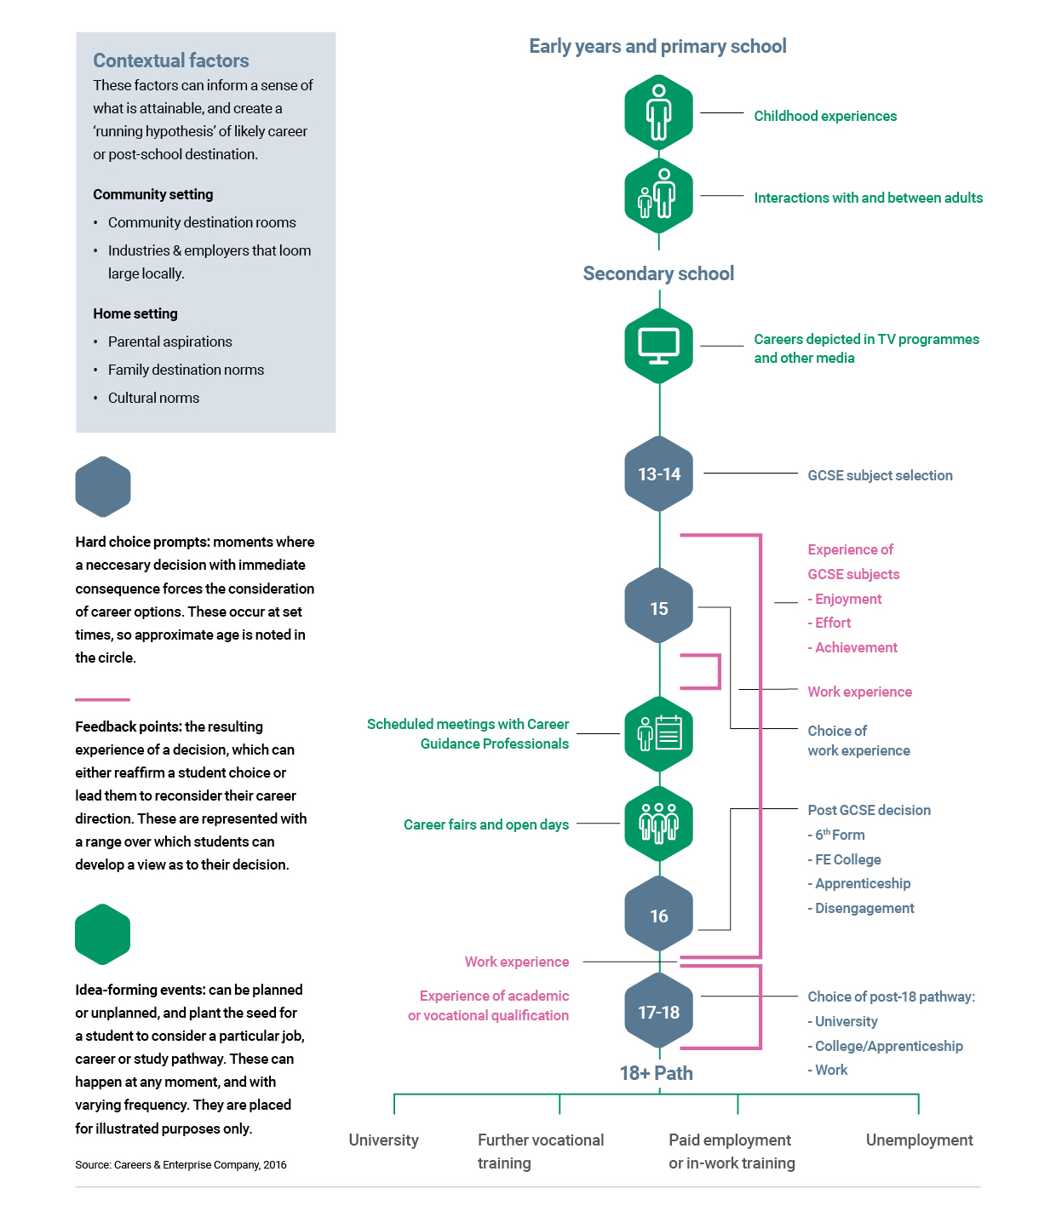

Back to index

3.17
Figure 3.17 Strength of evidence base for impact for different career– and enterprise–related interventions in schools and colleges

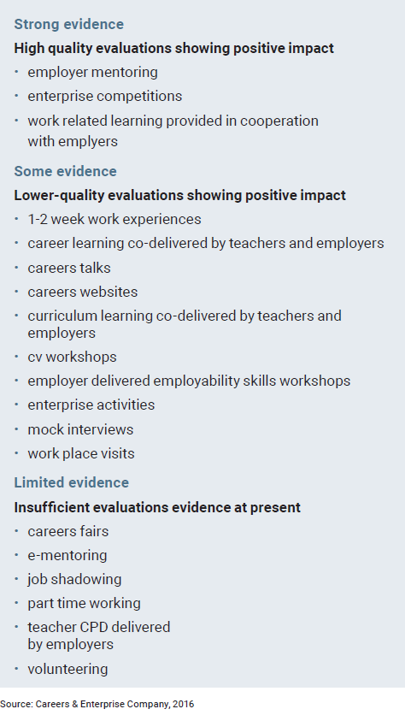

Back to index

3.18
Figure 3.18 The eight ‘Gatsby benchmarks’

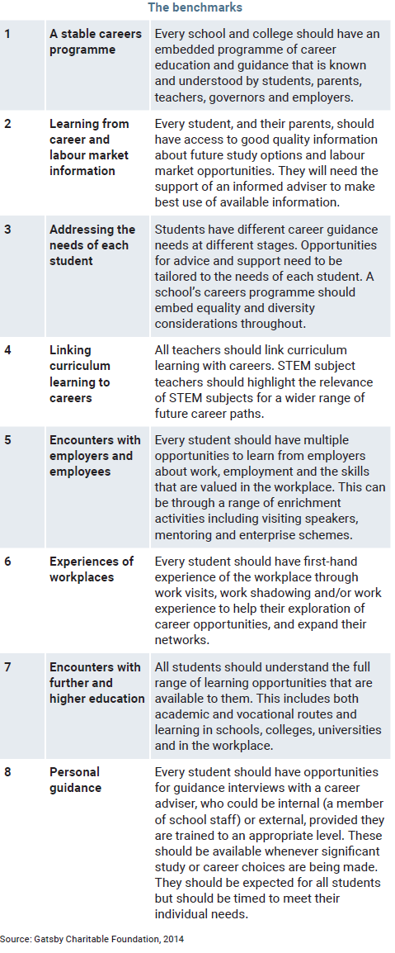

Back to index

