Index


Engineering in context
This chapter draws on a range of data sources, including from the ONS, OECD and UKCES, to give an overview of the role of the engineering sector in the broader UK economy. It provides a summary of the composition of the UK workforce in terms of skills levels, and the drivers and implications of skills gaps.
For more analysis on the state of engineering, please visit: https://www.engineeringuk.com/research/data

Fig. no. | Title

Chapter 1 | Engineering in context
1.1 | The productivity puzzle: productivity slowdown since the 2008 financial crisis (2000–2018) – UK
1.2 | Constant price GDP per hour worked (actual and projections) (1997–2015) – UK and G7 countries
1.3 | The hourglass economy
1.4 | Composition of the workforce by skill level of occupation and education (2005–2016) – UK
1.5 | Main drivers of skills gaps reported by employers and sector (2017) – UK
1.6 | Most common implications of hard–to–fill vacancies on enterprises (2017)
1.7 | Main departmental responsibilities for STEM

1.1
Figure 1.1 The productivity puzzle: productivity slowdown since the 2008 financial crisis (2000–2018) – UK

 | Output per hour | Continuation of pre-crisis trend
2000 Q1 | 87.4 | 0
2000 Q2 | 86.7 | 0
2000 Q3 | 86.8 | 0
2000 Q4 | 86.1 | 0
2001 Q1 | 87.5 | 0
2001 Q2 | 87.6 | 0
2001 Q3 | 88.3 | 0
2001 Q4 | 88.7 | 0
2002 Q1 | 89.2 | 0
2002 Q2 | 90.3 | 0
2002 Q3 | 90.3 | 0
2002 Q4 | 90.9 | 0
2003 Q1 | 91.7 | 0
2003 Q2 | 92.4 | 0
2003 Q3 | 93 | 0
2003 Q4 | 94.2 | 0
2004 Q1 | 93.7 | 0
2004 Q2 | 94.4 | 0
2004 Q3 | 94.2 | 0
2004 Q4 | 93.3 | 0
2005 Q1 | 94.2 | 0
2005 Q2 | 95.4 | 0
2005 Q3 | 96 | 0
2005 Q4 | 97.7 | 0
2006 Q1 | 97.5 | 0
2006 Q2 | 97.7 | 0
2006 Q3 | 97.5 | 0
2006 Q4 | 97.5 | 0
2007 Q1 | 98.3 | 0
2007 Q2 | 98.7 | 0
2007 Q3 | 99.2 | 0
2007 Q4 | 100 | 100
2008 Q1 | 99.2 | 100.5
2008 Q2 | 99.6 | 101
2008 Q3 | 98.1 | 101.5
2008 Q4 | 96.7 | 102
2009 Q1 | 96.5 | 102.6
2009 Q2 | 96.6 | 103.1
2009 Q3 | 97.3 | 103.6
2009 Q4 | 97.4 | 104.1
2010 Q1 | 98.1 | 104.7
2010 Q2 | 98.1 | 105.2
2010 Q3 | 98.4 | 105.7
2010 Q4 | 98.2 | 106.3
2011 Q1 | 98.8 | 106.8
2011 Q2 | 99.8 | 107.3
2011 Q3 | 99.3 | 107.9
2011 Q4 | 99.1 | 108.4
2012 Q1 | 99.3 | 109
2012 Q2 | 98.5 | 109.5
...

Notes: Pre–crisis trend growth is calculation between 1997 and 2008 Q1, and is projected forward from 2008 Q1

Source: ONS, 2018

Back to index

1.2
Figure 1.2 Constant price GDP per hour worked (actual and projections) (1997–2015) – UK and G7 countries

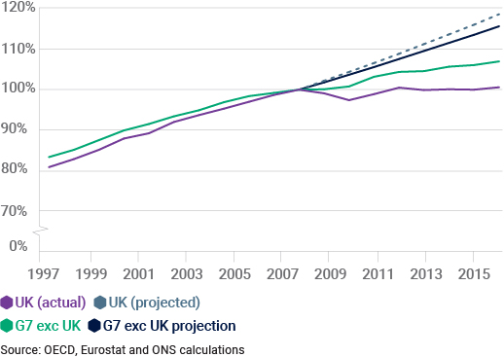

Back to index

1.3
Figure 1.3 The hourglass economy

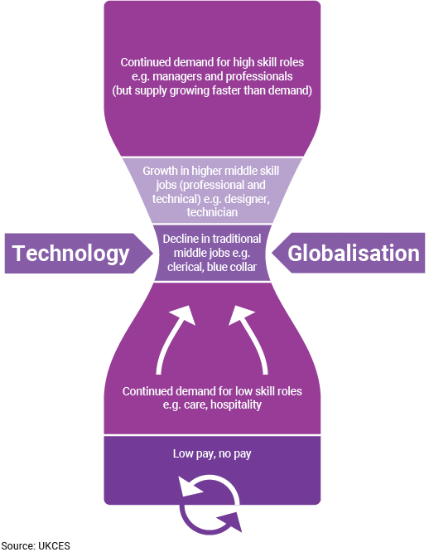

Back to index

1.4
Figure 1.4 Composition of the workforce by skill level of occupation and education (2005–2016) – UK

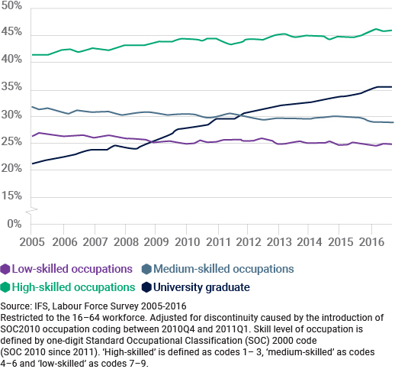

Back to index

1.5
Figure 1.5 Main drivers of skills gaps reported by employers and sector (2017)

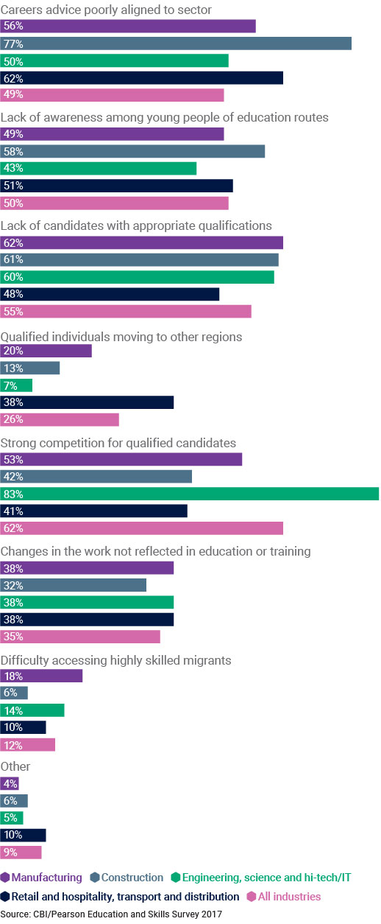

Back to index

1.7
Figure 1.7 Main departmental responsibilities for STEM
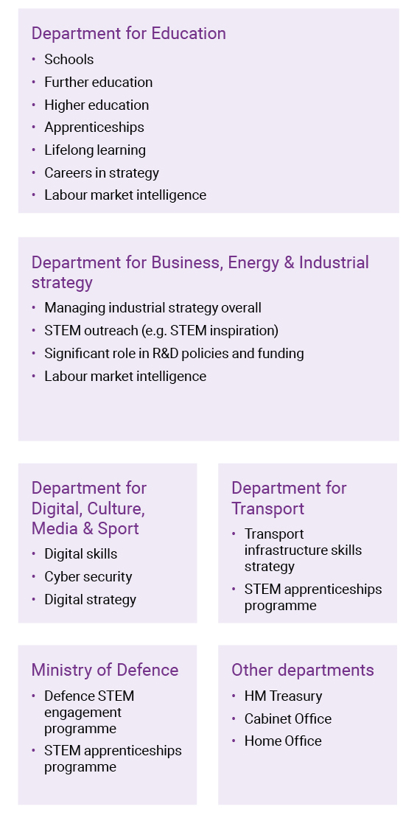

Source: National Audit Office, 2018

Back to index

